Results of Glmnet Model
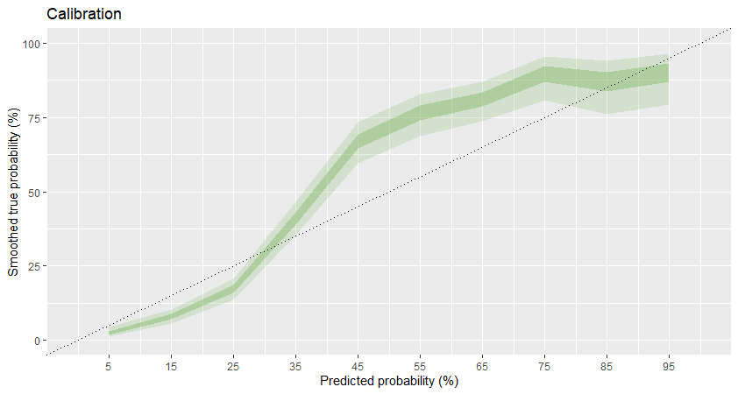
Confusion Matrix and Statistics

Reference
Prediction 0 1
0 1266 68
1 336 330

Accuracy : 0.798
95% CI : (0.7797, 0.8154)
No Information Rate : 0.801
P-Value [Acc > NIR] : 0.6439

Kappa : 0.4943

Mcnemar's Test P-Value : <2e-16

Sensitivity : 0.7903
Specificity : 0.8291
Pos Pred Value : 0.9490
Neg Pred Value : 0.4955
Prevalence : 0.8010
Detection Rate : 0.6330
Detection Prevalence : 0.6670
Balanced Accuracy : 0.8097
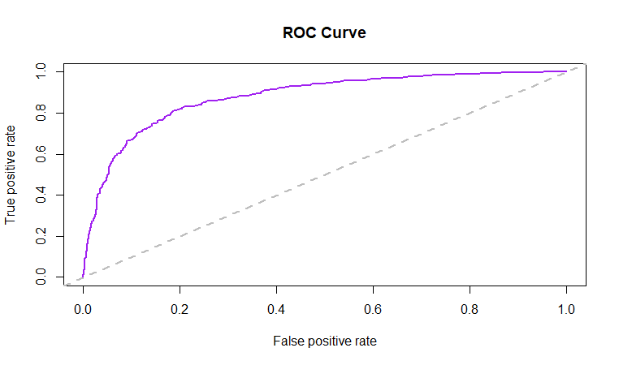
'Positive' Class : 0

Results of Xgboost Model
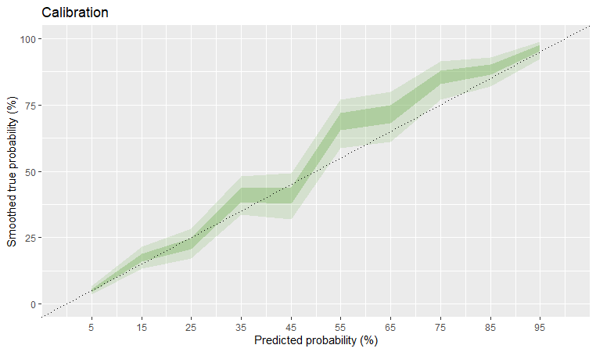
Confusion Matrix and Statistics

Reference
Prediction 0 1
0 1253 81
1 248 418

Accuracy : 0.8355
95% CI : (0.8185, 0.8515)
No Information Rate : 0.7505
P-Value [Acc > NIR] : < 2.2e-16

Kappa : 0.6049

Mcnemar's Test P-Value : < 2.2e-16

Sensitivity : 0.8348
Specificity : 0.8377
Pos Pred Value : 0.9393
Neg Pred Value : 0.6276
Prevalence : 0.7505
Detection Rate : 0.6265
Detection Prevalence : 0.6670
Balanced Accuracy : 0.8362
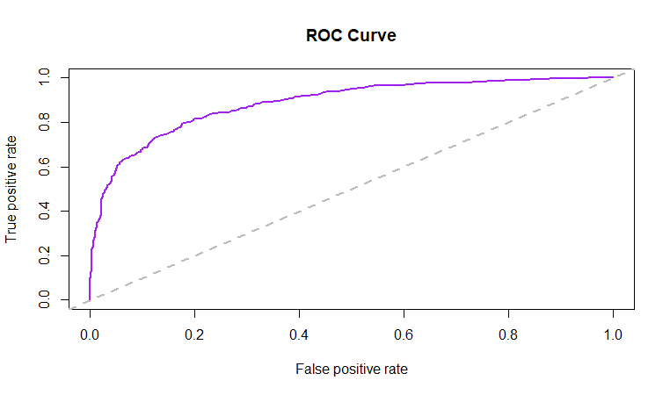
'Positive' Class : 0

